Deguchi_2000
Deguchi et al (2000) - Development of a design method for a high-efficiency water pump
https://doi.org/10.1016/S0389-4304(99)00060-0

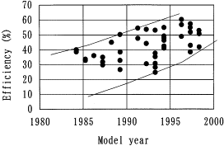
Year | Efficiency [%] | Efficiency [-] |  | Efficiency Linear Trend [-]
1984 | 40.41 | 40.41% | 1960 | 3.90%
1984 | 38.42 | 38.42% | 1961 | 5.13%
1985 | 33.74 | 33.74% | 1962 | 6.36%
1985 | 32.22 | 32.22% | 1963 | 7.59%
1986 | 36.08 | 36.08% | 1964 | 8.82%
1987 | 34.68 | 34.68% | 1965 | 10.05%
1987 | 31.99 | 31.99% | 1966 | 11.28%
1987 | 29.18 | 29.18% | 1967 | 12.51%
1988 | 45.09 | 45.09% | 1968 | 13.74%
1989 | 50.47 | 50.47% | 1969 | 14.97%
1989 | 38.30 | 38.30% | 1970 | 16.20%
1989 | 32.46 | 32.46% | 1971 | 17.43%
1989 | 26.26 | 26.26% | 1972 | 18.66%
1991 | 54.09 | 54.09% | 1973 | 19.89%
1991 | 47.89 | 47.89% | 1974 | 21.12%
1992 | 53.74 | 53.74% | 1975 | 22.35%
1992 | 44.39 | 44.39% | 1976 | 23.58%
1992 | 30.70 | 30.70% | 1977 | 24.81%
1993 | 37.95 | 37.95% | 1978 | 26.04%
1993 | 34.91 | 34.91% | 1979 | 27.27%
1993 | 30.47 | 30.47% | 1980 | 28.50%
1993 | 27.19 | 27.19% | 1981 | 29.73%
1993 | 24.27 | 24.27% | 1982 | 30.96%
1993 | 53.04 | 53.04% | 1983 | 32.19%
1994 | 55.03 | 55.03% | 1984 | 33.42%
1994 | 49.65 | 49.65% | 1985 | 34.65%
1994 | 47.66 | 47.66% | 1986 | 35.88%
1994 | 45.91 | 45.91% | 1987 | 37.11%
1994 | 42.75 | 42.75% | 1988 | 38.34%
1994 | 41.23 | 41.23% | 1989 | 39.57%
1996 | 60.53 | 60.53% | 1990 | 40.80%
1996 | 57.02 | 57.02% | 1991 | 42.03%
1996 | 49.18 | 49.18% | 1992 | 43.26%
1997 | 57.37 | 57.37% | 1993 | 44.49%
1997 | 55.50 | 55.50% | 1994 | 45.72%
1997 | 52.11 | 52.11% | 1995 | 46.95%
1997 | 42.87 | 42.87% | 1996 | 48.18%
1997 | 38.65 | 38.65% | 1997 | 49.41%
1998 | 53.16 | 53.16% | 1998 | 50.64%
1998 | 51.05 | 51.05% | 1999 | 51.87%
1998 | 42.16 | 42.16% | 2000 | 53.10%
 |  |  | 2001 | 54.33%
 |  |  | 2002 | 55.56%
 |  |  | 2003 | 56.79%
 |  |  | 2004 | 58.02%
 |  |  | 2005 | 59.25%
 |  |  | 2006 | 60.48%
 |  |  | 2007 | 61.71%
 |  |  | 2008 | 62.94%
 |  |  | 2009 | 64.17%
 |  |  | 2010 | 65.40%
 |  |  | 2011 | 66.63%
 |  |  | 2012 | 67.86%
 |  |  | 2013 | 69.09%
 |  |  | 2014 | 70.32%
 |  |  | 2015 | 71.55%
 |  |  | 2016 | 72.78%
 |  |  | 2017 | 74.01%
 |  |  | 2018 | 75.24%
 |  |  | 2019 | 76.47%
 |  |  | 2020 | 77.70%

Lockeretz_1977
Lockeretz (2012) - Agriculture and Energy
https://www.sciencedirect.com/book/9780124542501/agriculture-and-energy

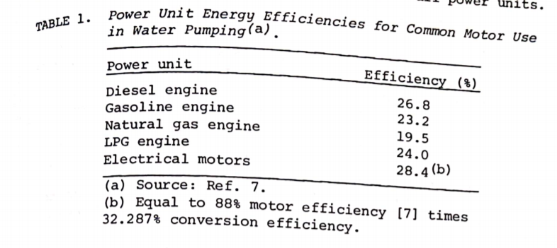
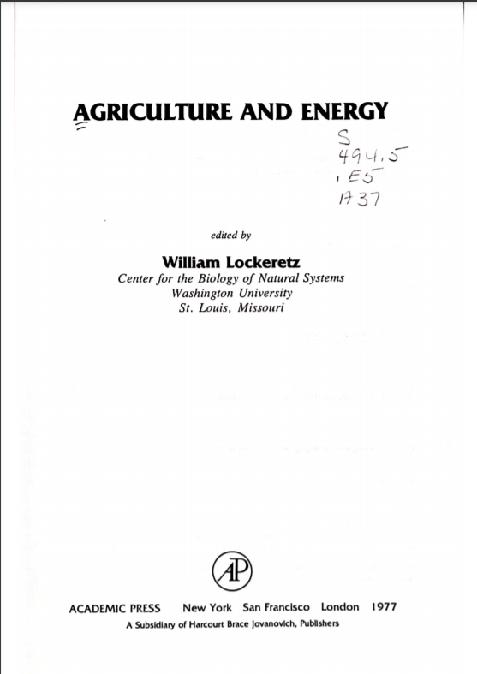
Year | Country | Machine | Efficiency [-]
1977 | USA | Electric water pumps | 28.40%
1977 | USA | Motor Efficiency | 88.00%
1977 | USA | Conversion Efficiency | 32.87%

UNEP_2017
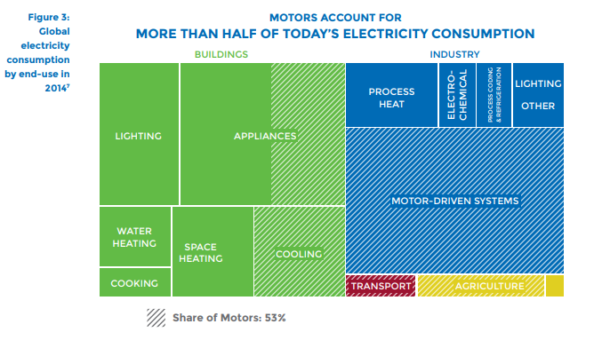
UNEP (2017) - Accelerating the Adoption of Energy-Efficient Electric Motors and Motor Systems
https://united4efficiency.org/wp-content/uploads/2017/09/U4E-MotorGuide-201709-Final.pd
Raw Data
Year | Machine | Eta.fu | Year | Machine | Eta.fu | Source
1960 | Electric motor (45KW) | 0.88 | 1960 | Electric motor (45KW) | 0.88 | UNEP (2017)
1980 | Electric motor (45KW) | 0.9 | 1961 | Electric motor (45KW) | 0.881 | Interpolated
1990 | Electric motor (45KW) | 0.902 | 1962 | Electric motor (45KW) | 0.882 | Interpolated
2000 | Electric motor (45KW) | 0.939 | 1963 | Electric motor (45KW) | 0.883 | Interpolated
2010 | Electric motor (45KW) | 0.951 | 1964 | Electric motor (45KW) | 0.884 | Interpolated
2013 | Electric motor (45KW) | 0.958 | 1965 | Electric motor (45KW) | 0.885 | Interpolated
 |  |  | 1966 | Electric motor (45KW) | 0.886 | Interpolated
 |  |  | 1967 | Electric motor (45KW) | 0.887 | Interpolated
 |  |  | 1968 | Electric motor (45KW) | 0.888 | Interpolated
 |  |  | 1969 | Electric motor (45KW) | 0.889 | Interpolated
 |  |  | 1970 | Electric motor (45KW) | 0.89 | Interpolated
 |  |  | 1971 | Electric motor (45KW) | 0.891 | Interpolated
 |  |  | 1972 | Electric motor (45KW) | 0.892 | Interpolated
 |  |  | 1973 | Electric motor (45KW) | 0.893 | Interpolated
 |  |  | 1974 | Electric motor (45KW) | 0.894 | Interpolated
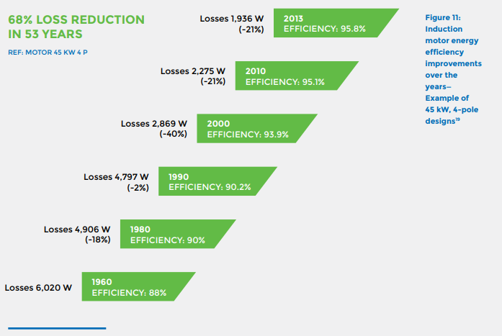
 |  |  | 1975 | Electric motor (45KW) | 0.895 | Interpolated
 |  |  | 1976 | Electric motor (45KW) | 0.896 | Interpolated
 |  |  | 1977 | Electric motor (45KW) | 0.897 | Interpolated
 |  |  | 1978 | Electric motor (45KW) | 0.898 | Interpolated
 |  |  | 1979 | Electric motor (45KW) | 0.899 | Interpolated
 |  |  | 1980 | Electric motor (45KW) | 0.9 | UNEP (2017)
 |  |  | 1981 | Electric motor (45KW) | 0.9002 | Interpolated
 |  |  | 1982 | Electric motor (45KW) | 0.9004 | Interpolated
 |  |  | 1983 | Electric motor (45KW) | 0.9006 | Interpolated
 |  |  | 1984 | Electric motor (45KW) | 0.9008 | Interpolated
 |  |  | 1985 | Electric motor (45KW) | 0.901 | Interpolated
 |  |  | 1986 | Electric motor (45KW) | 0.9012 | Interpolated
 |  |  | 1987 | Electric motor (45KW) | 0.9014 | Interpolated
 |  |  | 1988 | Electric motor (45KW) | 0.9016 | Interpolated
 |  |  | 1989 | Electric motor (45KW) | 0.9018 | Interpolated
 |  |  | 1990 | Electric motor (45KW) | 0.902 | UNEP (2017)
 |  |  | 1991 | Electric motor (45KW) | 0.9057 | Interpolated
 |  |  | 1992 | Electric motor (45KW) | 0.9094 | Interpolated
 |  |  | 1993 | Electric motor (45KW) | 0.9131 | Interpolated
 |  |  | 1994 | Electric motor (45KW) | 0.9168 | Interpolated
 |  |  | 1995 | Electric motor (45KW) | 0.9205 | Interpolated
 |  |  | 1996 | Electric motor (45KW) | 0.9242 | Interpolated
 |  |  | 1997 | Electric motor (45KW) | 0.9279 | Interpolated
 |  |  | 1998 | Electric motor (45KW) | 0.9316 | Interpolated
 |  |  | 1999 | Electric motor (45KW) | 0.9353 | Interpolated
 |  |  | 2000 | Electric motor (45KW) | 0.939 | UNEP (2017)
 |  |  | 2001 | Electric motor (45KW) | 0.9402 | Interpolated
 |  |  | 2002 | Electric motor (45KW) | 0.9414 | Interpolated
 |  |  | 2003 | Electric motor (45KW) | 0.9426 | Interpolated
 |  |  | 2004 | Electric motor (45KW) | 0.9438 | Interpolated
 |  |  | 2005 | Electric motor (45KW) | 0.945 | Interpolated
 |  |  | 2006 | Electric motor (45KW) | 0.9462 | Interpolated
 |  |  | 2007 | Electric motor (45KW) | 0.9474 | Interpolated
 |  |  | 2008 | Electric motor (45KW) | 0.9486 | Interpolated
 |  |  | 2009 | Electric motor (45KW) | 0.9498 | Interpolated
 |  |  | 2010 | Electric motor (45KW) | 0.951 | UNEP (2017)
 |  |  | 2011 | Electric motor (45KW) | 0.9533 | Interpolated
 |  |  | 2012 | Electric motor (45KW) | 0.9557 | Interpolated
 |  |  | 2013 | Electric motor (45KW) | 0.958 | UNEP (2017)
 |  |  | 2014 | Electric motor (45KW) | 0.9603 | Extrapolated
 |  |  | 2015 | Electric motor (45KW) | 0.9627 | Extrapolated
 |  |  | 2016 | Electric motor (45KW) | 0.9650 | Extrapolated
 |  |  | 2017 | Electric motor (45KW) | 0.9673 | Extrapolated
 |  |  | 2018 | Electric motor (45KW) | 0.9697 | Extrapolated
 |  |  | 2019 | Electric motor (45KW) | 0.9720 | Extrapolated
 |  |  | 2020 | Electric motor (45KW) | 0.9743 | Extrapolated

Stanton_1903
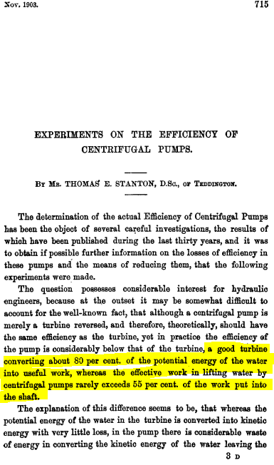
Stanton (1903) - Experiments on the Efficiency of Centrifugal Pumps
https://doi.org/10.1243%2FPIME_PROC_1903_065_017_02

Allen_1931
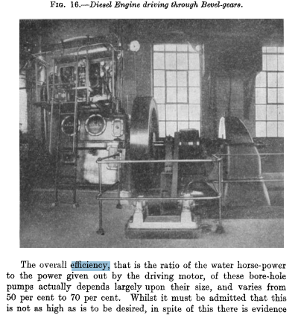
Allen & Millington (1931) - Modern Methods of Raising Water from Underground Sources
https://doi.org/10.1243%2FPIME_PROC_1931_120_017_02

Rademacher_2012
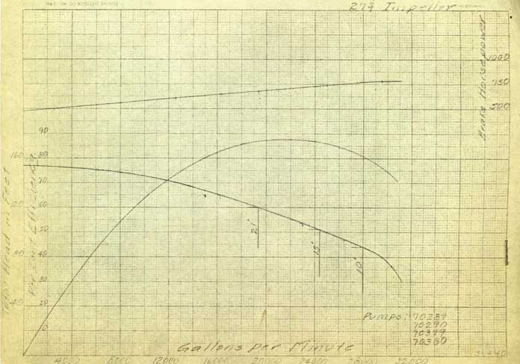
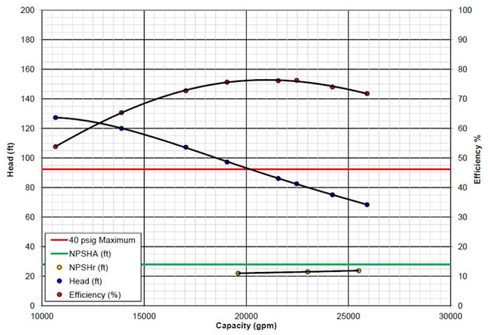
Rademacher et al (2012) - Upgrades Maximise Efficiency of 82-Year-Old Pump
https://hydroinc.com/blog/2012/08/01/upgrades-maximize-efficiency-82-year-old-pump/

Year | Flow rate [gallons per minute] | Efficiency [-]
1930 | 20000 | 87.00%
2012 | 20000 | 76.00%

Yacout_2014
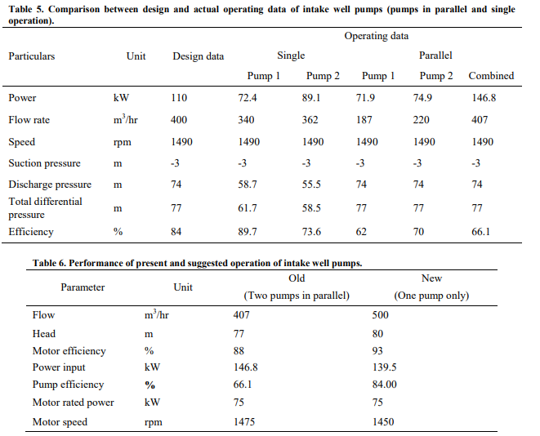
Yacout et al (2014) - Applying Energy Management in Textile Industry, Case Study: An Egyptian Textile Plant
http://rericjournal.ait.ac.th/index.php/reric/article/view/1160

Pimentel_1980
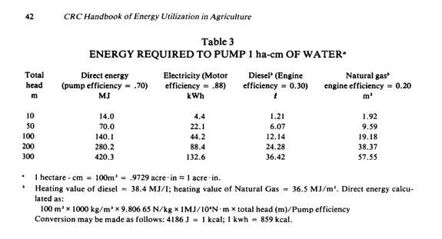
Pimentel (1980) - Handbook of Energy Utilization In Agriculture
https://www.google.co.uk/books/edition/Handbook_of_Energy_Utilization_In_Agricu/7zSoDwAAQBAJ?hl=en&gbpv=0

Maya-Drysdale_2018
Maya-Drysdale et al (2018) - Ecodesign Pump Review
https://www.eceee.org/ecodesign/products/electric-pumps/
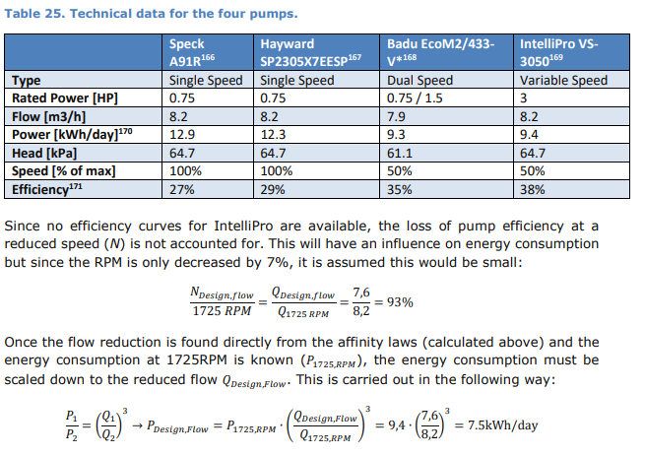

Year | Country | Machine | Efficiency [-]
2018 | EUR | Electric water pumps | 32.25%

PB COMMENTS
Date: 22/06/2021
Country | Energy.type | Last.stage | Method | Machine | Eu.product | Quantity | 1960 | 1961 | 1962 | 1963 | 1964 | 1965 | 1966 | 1967 | 1968 | 1969 | 1970 | 1971 | 1972 | 1973 | 1974 | 1975 | 1976 | 1977 | 1978 | 1979 | 1980 | 1981 | 1982 | 1983 | 1984 | 1985 | 1986 | 1987 | 1988 | 1989 | 1990 | 1991 | 1992 | 1993 | 1994 | 1995 | 1996 | 1997 | 1998 | 1999 | 2000 | 2001 | 2002 | 2003 | 2004 | 2005 | 2006 | 2007 | 2008 | 2009 | 2010 | 2011 | 2012 | 2013 | 2014 | 2015 | 2016 | 2017 | 2018 | 2019 | 2020
WLD | E | Final | PCM | Electric pumps | HPL | eta.fu | 20.00% | 20.49% | 20.99% | 21.48% | 21.98% | 22.47% | 22.96% | 23.46% | 23.95% | 24.45% | 24.94% | 25.44% | 25.93% | 26.42% | 26.92% | 27.41% | 27.91% | 28.40% | 29.12% | 29.83% | 30.55% | 31.27% | 31.99% | 32.70% | 33.42% | 34.65% | 35.88% | 37.11% | 38.34% | 39.57% | 40.80% | 42.03% | 43.26% | 44.49% | 45.72% | 46.95% | 48.18% | 49.41% | 50.64% | 51.87% | 53.10% | 54.33% | 55.56% | 56.79% | 58.02% | 59.25% | 60.48% | 61.71% | 62.94% | 64.17% | 65.40% | 66.63% | 67.86% | 69.09% | 70.32% | 71.55% | 72.78% | 74.01% | 75.24% | 76.47% | 77.70%
USA | E | Final | PCM | Electric pumps | HPL | eta.fu | 20.00% | 20.49% | 20.99% | 21.48% | 21.98% | 22.47% | 22.96% | 23.46% | 23.95% | 24.45% | 24.94% | 25.44% | 25.93% | 26.42% | 26.92% | 27.41% | 27.91% | 28.40% | 29.12% | 29.83% | 30.55% | 31.27% | 31.99% | 32.70% | 33.42% | 34.65% | 35.88% | 37.11% | 38.34% | 39.57% | 40.80% | 42.03% | 43.26% | 44.49% | 45.72% | 46.95% | 48.18% | 49.41% | 50.64% | 51.87% | 53.10% | 54.33% | 55.56% | 56.79% | 58.02% | 59.25% | 60.48% | 61.71% | 62.94% | 64.17% | 65.40% | 66.63% | 67.86% | 69.09% | 70.32% | 71.55% | 72.78% | 74.01% | 75.24% | 76.47% | 77.70%

 |  |  | PB comment |  |  |  |  |  |  |  |  |  |  | ZM Comments
 |  |  | 1 | I think the 1960-1977 trend should be more like declining asymptotic to around 20% in 1960 |  |  |  |  |  |  |  |  |  | Assumed value set to 20% in 1960, interpolated between
 |  |  | 2 | The 2000-2020 data is a linear trend/extrapolation, are we sure we get to 80% in 2020? The Maya 2018 paper suggests not |  |  |  |  |  |  |  |  |  | Different measures of pumping efficiency (RE Maya). I'll look for a reference on the theoretical max efficiency of an electric pump!
 |  |  | 3 | have alook at the diesel pumps sheet - maybe take off disel engine and replace with unep electric motor efficiency |  |  |  |  |  |  |  |  |  | Given the existence of the Deguchi paper, I think it's preferable to use that reference.

